script
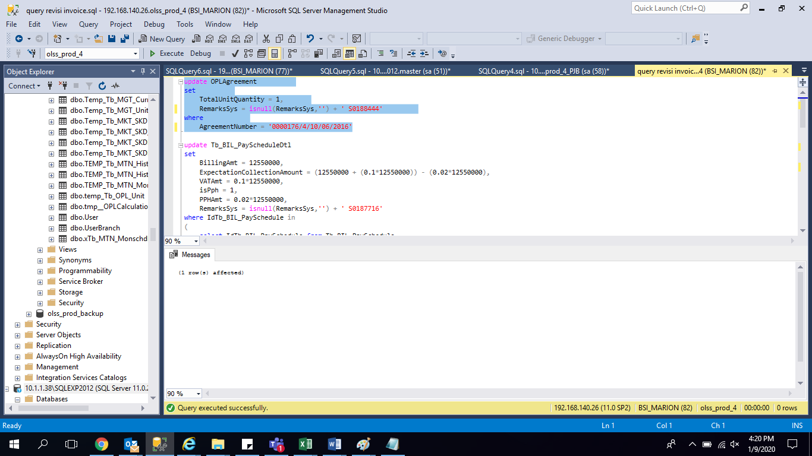
update OPLAgreement
set
 | TotalUnitQuantity = 1,
 | RemarksSys = isnull(RemarksSys,'') + ' S0188444'
where
 | AgreementNumber = '0000176/4/10/06/2016'

update OPLAgreement
set
 | TotalUnitQuantity = 1,
 | RemarksSys = isnull(RemarksSys,'') + ' S0188444'
where
 | AgreementNumber = '0000177/4/10/06/2016'

screenshoot
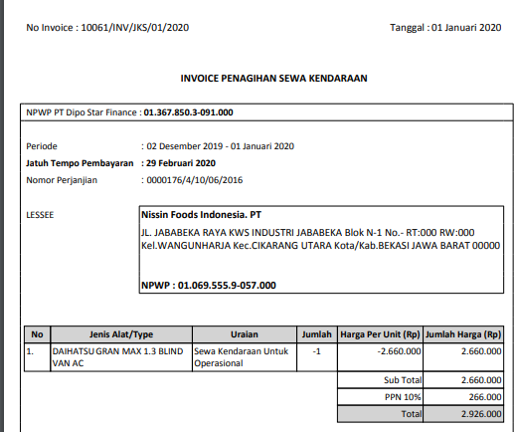
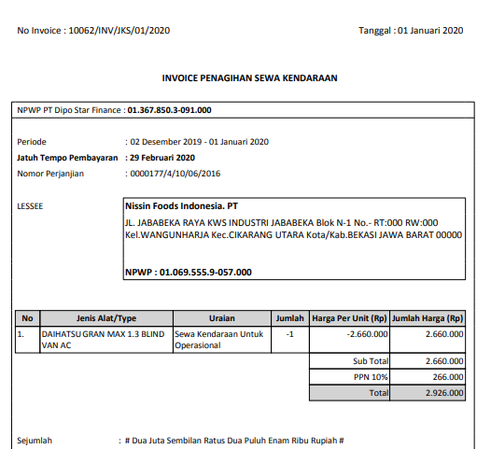
BEFORE

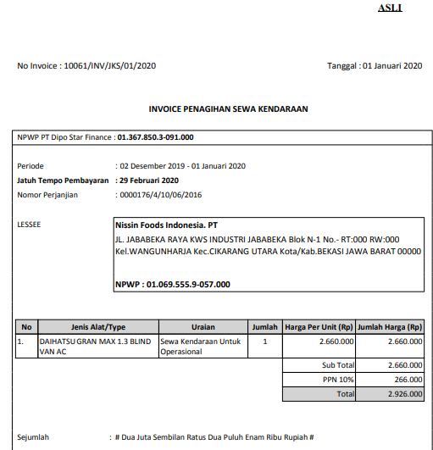
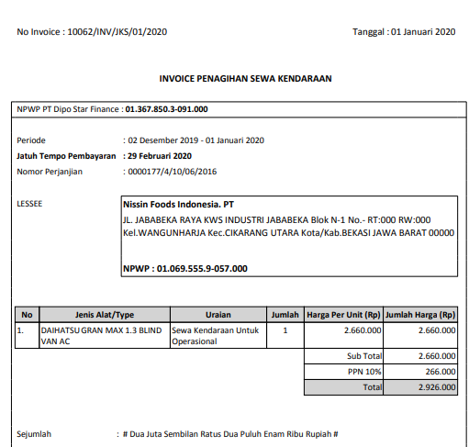
AFTER

